Sheet1
 NDO REPORT |  |  |  |  |  | NDO : AAS MOHD. DATE : 11.12.2023 Time : 5:30 PM to 6 AM DAY: MONDAY
SR. NO | AREA | OBSERVATION | PHOTO | ACTION | RES. | TARGET DATE | STATUS
1 | PDI | The light was on on the PDI table | 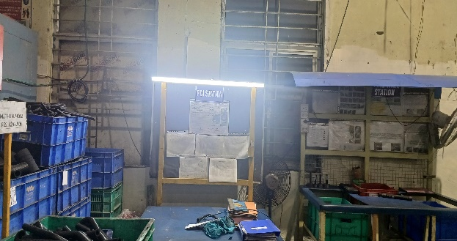 | 1-On / off Switch to be provided on the table 2- A fine of Rs 100 will be taken from PDI incharge & inspector if found light on . | Aas Mohd. | 15 .12.2023 | Under process
2 | Mixing | The Light was on in Mixing office area | 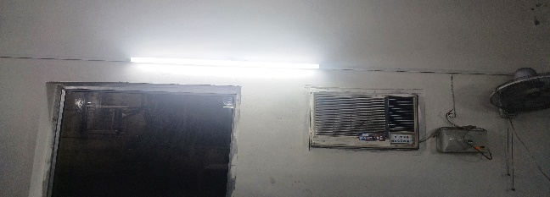 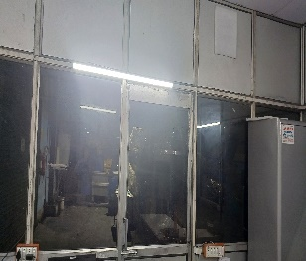 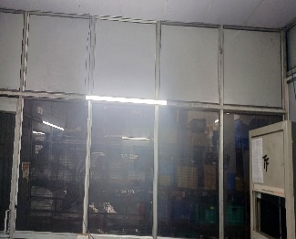 |  | Upender |  | Pending
3 | Lab | Oven found running condition | 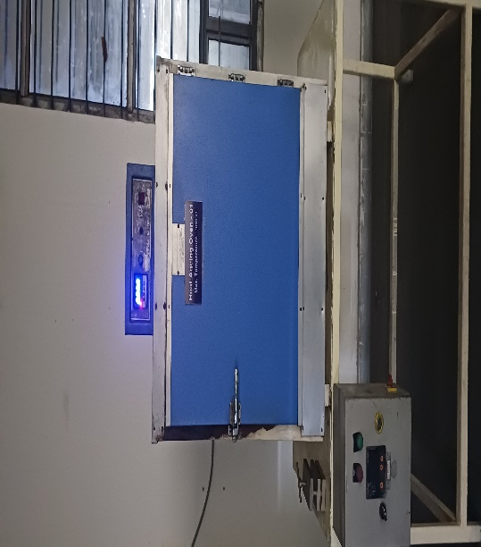 |  | Upender |  | Pending
4 | Lab | We found BP testing machine in working condition but parts were not being tested | 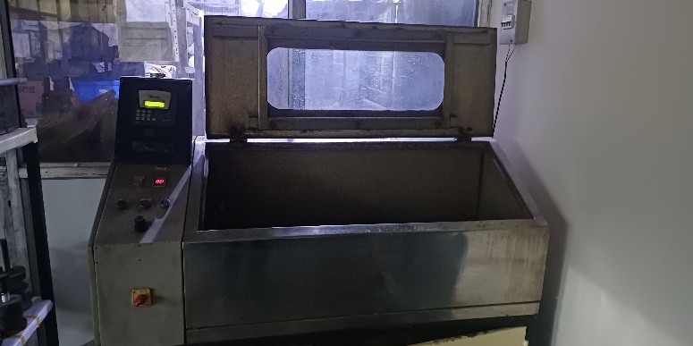 |  | Upender |  | Pending
5 | Part Washing | Washing machine found running condition | 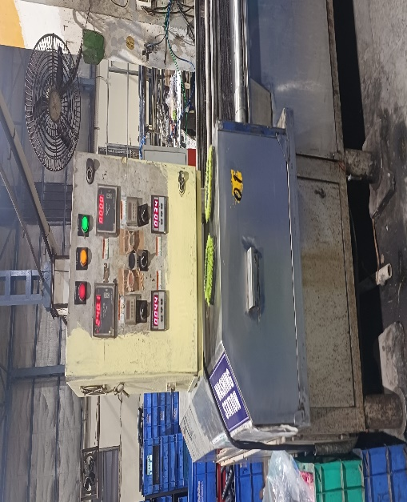 |  | Ajay Jha |  | Pending
6 | Hollow Cuting | Hollow Size 76X85 , Hollow size Cutting without fixture for part number 278614605804 so chances of short length / More length. ( Part will be reject and heavy rejection in end cutting stage. ) | 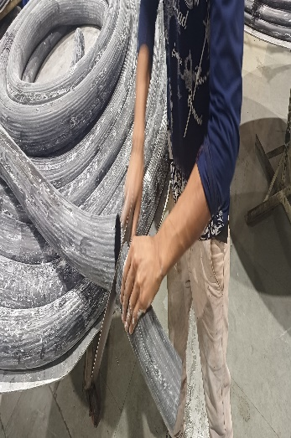 |  | Keshav Kumar |  | Pending
7 | BILLING | Desk top computer found running condition | 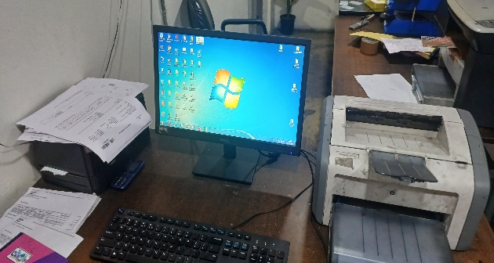 |  | Manish |  | Pending
8 | PURCHASE | Desk top computer found running condition | 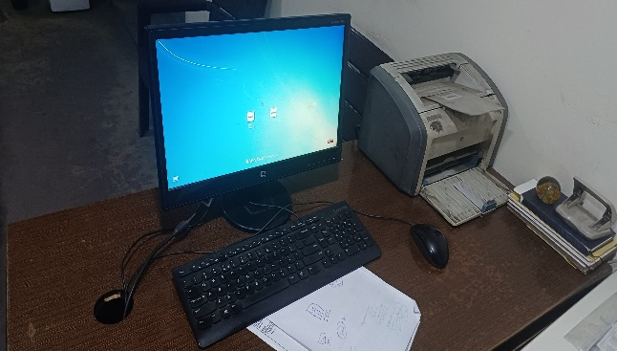 |  | Dileep |  | Pending
9 | After Vulcanizer | Part found mix up in bin due to shortage of bin after Vulcanizer process Parts are damaged depending on the condition in which they are kept | 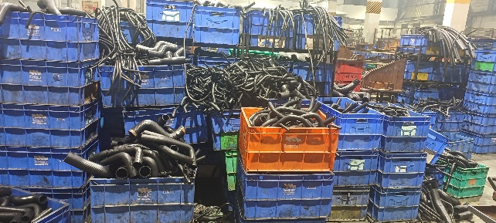 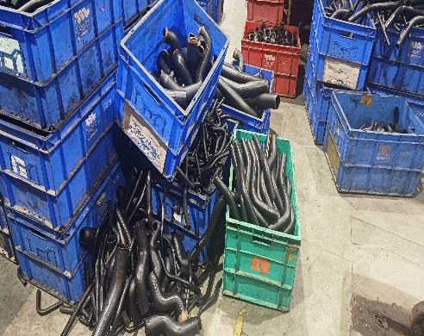 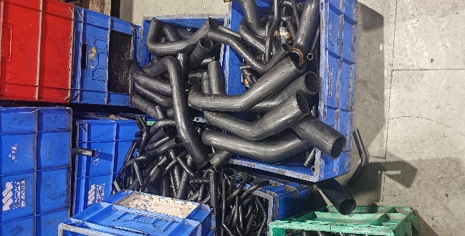 |  | Ajay Jha / Prabhakar |  | Pending

Prepared By : Aas Mohd. |  |  |  |  | Approved By : Neeraj Sharma

